ADACTIN HOTEL APP--DefectReport
Defect ID | Defect Description | Steps to Reproduce | Test Data | Sevirity | Screenshots for evidence
D_001 | User is successfully logged in and redirected to Search Hotel page without popping error message for username case sensitivity | 1. Navigate to https://adactinhotelapp.com 2. Enter username 3. Enter password 4. Click Login | Username : pavithraramesh Password: Hotel@123 | Low / Minor | 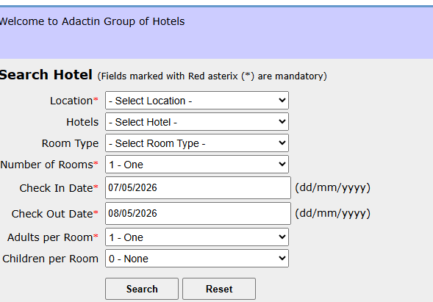
D_002 | Eye icon is not present in the password reset page for password toggle viewing | 1. Navigate to https://adactinhotelapp.com 2. Click chnage password 3. Enter the password in all three tabs | Current password : Hotelapp@1 New Password: Home@123 Confirm Password: Home@123 | Low / Usability | 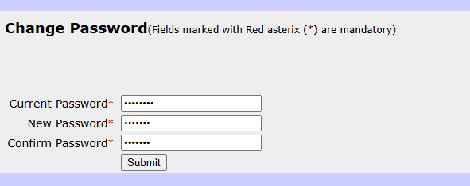
D_003 | Fails to land on the previous page and shows form resubmission error | 1. Navigate to https://adactinhotelapp.com 2. Click browser back button from search hotel page | Username : PavithraRamesh Password: Hotel@123 | Medium / Major | 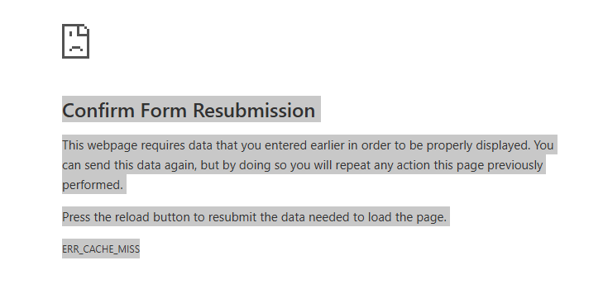
D_004 | Session time out happens, but no error message to the user | 1. Navigate to https://adactinhotelapp.com 2. Enter username 3. Enter password 4. Click Login 5.Do not perform any action/ stay idle for a long time 6. After time out period try to perform any action / refresh | Username : PavithraRamesh Password: Hotel@123 | Medium / High | 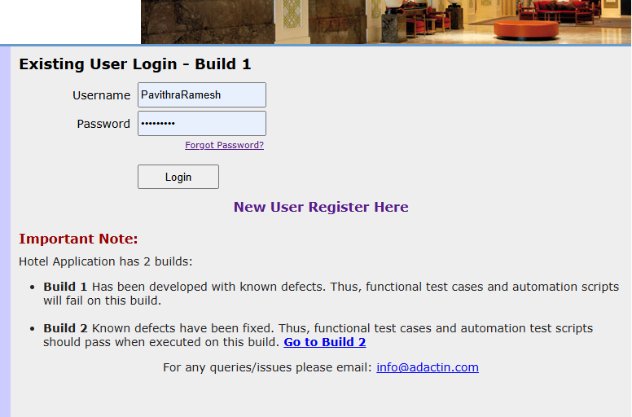
D_005 | Password field is masked with no option to view the input.Usability Issue: Users cannot verify their input, which may lead to repeated failed login attempts. | 1. Enter text into the Password field. | Password: Hotel@123 | Low (Usability)
D_006 | Reset button does not fully reset the values. The reset has not worked for the tabs number of rooms, check-in date, check-out date and adults per room. | 1. In the search hotel page enter all the details check in date, check out date,loaction, hotel name ,adults and children per room 2. Click reset | Location : Sydney Hotels: hotel creek Room type: Standard Number of rooms: 1 Room type: single adults in room:2 Children in room :1 Checkin date: 5/5/2026 Checkout date: 6/5/2026 | Medium / Major | 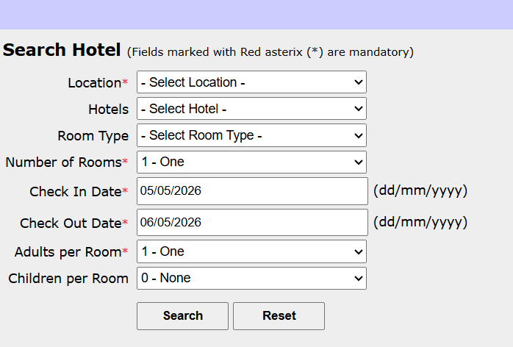
D_007 | An unexplained $10 discrepancy in the total calculation in search results. This will confuse customers and lead to billing disputes. | 1. Observe the "Price per Night" for any hotel (e.g., Hotel Cornice = $100). 2. Check the "No. of Days" (1 Day). 3. Review the "Total Price (excl. GST)" value. | Hotel: Hotel Cornice; Nightly Rate: $100; Days: 1 | Critical / High
D_008 | Error:Last name is missing | 1. In the book hotel page enter all the details 2. Click book now | Hotel Name: Hotel Creek Location :Sydney Room Type: Standard Number of Rooms: 1 Room(s) Total Days: 1 Day(s) Price per Night: AUD $ 125 Total Price: AUD $ 135 GST: AUD $ 13.5 Final Billed Price: AUD $ 148.5 First Name* pavithra Last Name* ramesh Billing Address* 333/22 epping 2121 Credit Card No.*1234567890987654 Credit Card Type* VISA Expiry Date* August 2028 CVV Number*123 | Low / Minor | 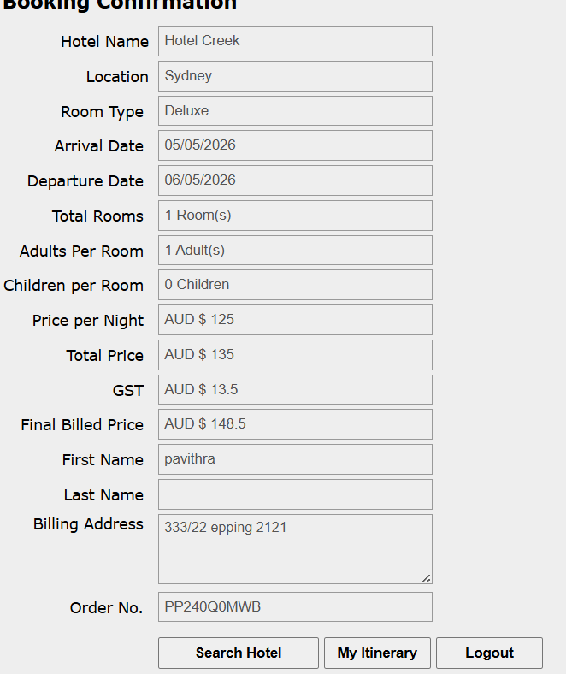
D_009 | Room type automatically has been changed to Deluxe | 1. In the book hotel page enter all the details 2. Click book now | Hotel Name: Hotel Creek Location :Sydney Room Type: Standard Number of Rooms: 1 Room(s) Total Days: 1 Day(s) Price per Night: AUD $ 125 Total Price: AUD $ 135 GST: AUD $ 13.5 Final Billed Price: AUD $ 148.5 First Name* pavithra Last Name* ramesh Billing Address* 333/22 epping 2121 Credit Card No.*1234567890987654 Credit Card Type* VISA Expiry Date* August 2028 CVV Number*123 | Critical / High
D_010 | Validation failure as it processed payment with invalid CVV | 1. Navigate to the Payment/Checkout page 2. Select payment method 3. Enter a valid card number and future expiry date 4. Enter a 1-digit CVV number 5. Click the "Book Now" or "Pay" button | Card: Visa (Valid); Expiry: 12/2028; CVV: 5 | Blocker | 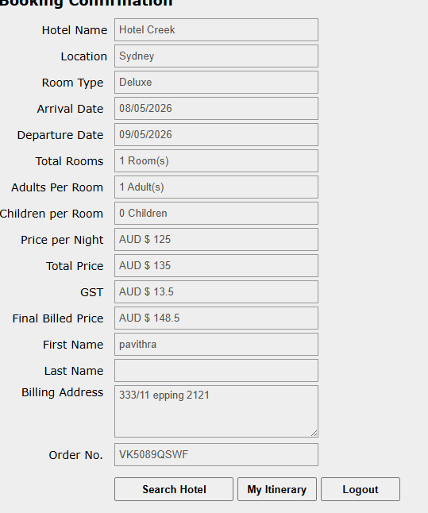
D_011 | The system is failing to validate the card's validity period. | 1. Enter a valid card number. 2. Select an expiry year from the past as 2023. 3. Enter a valid 3-digit CVV. 4. Submit the booking. | Card: Mastercard; Expiry: 05/2023; CVV: 123 | Critical
D_012 | System fails to show validation and reveals that there is error in your SQL syntax query in a raw format | 1. Fill in all valid booking details. 2. In the First Name/Last Name fields, enter special characters ( ';., ';'). 3. Click the "Book" button. | First Name: ';. ; Last Name: ';' | Critical / Security Risk
D_013 | The system allows heavily discounted stays by failing date validation and fails correct pricing. | 1. Enter same date for Arrival and Departure (08/05/2026). 2. Proceed through Select Hotel to the Booking Confirmation page. 3. Review the 'Total Price' and 'Final Billed Price' fields. | Price per Night: $125; Arrival: 08/05/26; Departure: 08/05/26 | Critical | 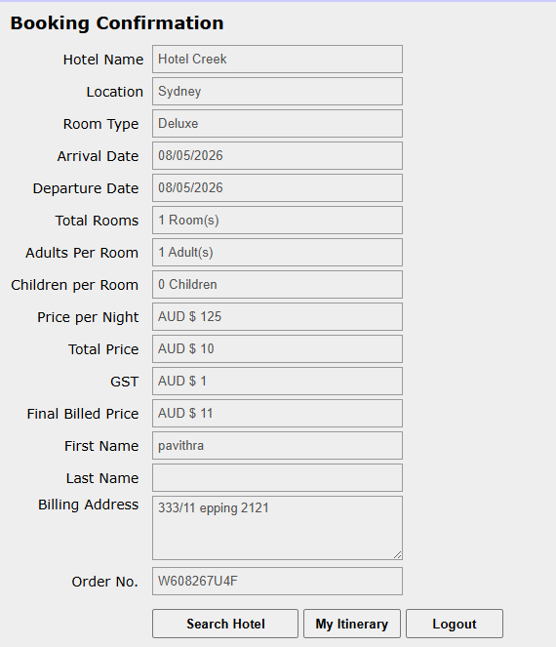
D_014 | System fails to valudate dates and allows for logically impossible value | 1. Select a hotel. 2. Enter an Arrival Date in the past. 3. Enter a Departure Date in the past. 4. Complete remaining fields. 5. Click 'Search' or 'Confirm'. | Arrival: 01/05/2026 Departure:05/05/2026 (current date is May 8, 2026) | Critical / High | 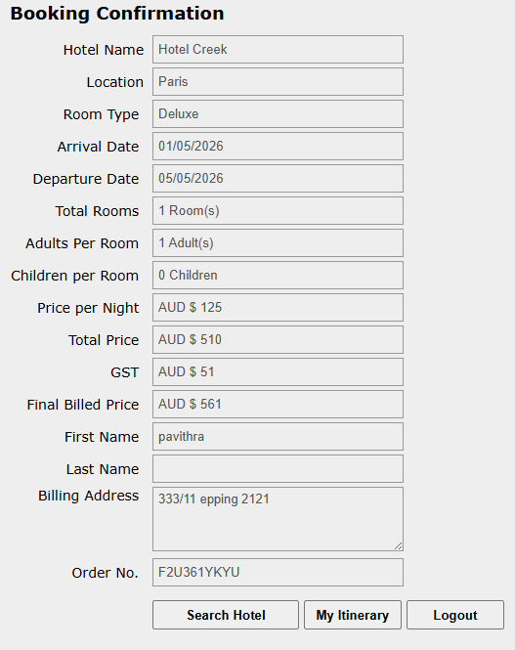
D_015 | Data mismatch between confirmation and itinerary modules. | 1. Select 'Super Deluxe' for Hotel Creek. 2. Proceed to 'Booking Confirmation'. 3. Check 'Booked Itinerary'. | Hotel: Creek, Room: Super Deluxe | Critical / High
D_016 | The price for one room and price for 5 rooms shows the same | 1.Navigate to the booking page 2. Enter all the required details with one room seleted 3.Confirm booking 4. Again navigate the booking page and book another with the same hotel options but now with 5 rooms 5.Confirm booking 6.Login and navigate to the Booked Itinerary section. 7.Search for or locate Order Id for both bookings 8.Compare the Price per Night against the Total Price (incl. GST) relative to the number of Rooms | Hotel Name: Hotel Hervey Location :Sydney Room Type: Deluxe Number of Rooms: 1 Room(s) Total Days: 1 Day(s) Hotel Name: Hotel Hervey Location :Sydney Room Type: Deluxe Number of Rooms: 5 Room(s) Total Days: 1 Day(s) | Critical / High
D_017 | The system has a massive calculation failure. It is charging $11 for a $125 room, which would result in significant financial loss for the hotel. | 1. Navigate to the 'Booked Itinerary' page. 2. Locate the row for Order ID W608267U4F. 3. Compare the 'Price per Night' ($125) with the 'No. of Days' (0) and the 'Total Price'. | Arrival: 08/05/26; Departure: 08/05/26 | Blocker
D_018 | Missing a mandatory data field. User cannot verify which room category they booked from this view. | 1. Navigate to the "Booked Itinerary" page. 2. Review the table headers and the specific booking entry like room type. | Room Type: Deluxe (Selected during booking) | Medium / Major
D_019 | Major calculation error. $314 does not match the expected $1,815 based on 6 rooms. It appears the calculation ignored the "No. of Rooms" multiplier. | 1. Identify Price per Night, Rooms, and Days from the itinerary. 2. Manually calculate the total using the formula. 3. Compare the manual result with the "Total Price" column | Price: $275 Rooms: 6 Days: 1 GST: 10% | Blocker

